Assurance Learning
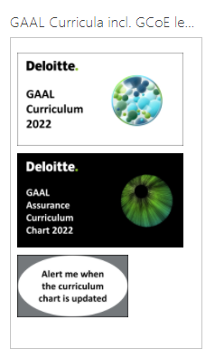
The Assurance Learning Curriculum is available in a separate Excel Workbook.
Please click here and access as per below screenshot -

